Sheet1
Quality Sweater Company |  |  | Data Table - Response Rate
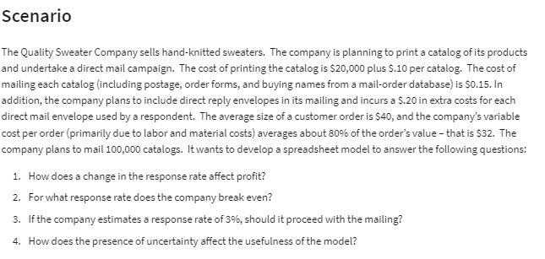
Inputs: |  |  | Response Rate
Costs: |  |  |  | $-
Printing: | $20,000 |  | 3.00% | -$21,600.00
Variable: |  |  | 3.50% | -$17,700.00
Printing: | $0.10 | (Per catalog) | 4.00% | -$13,800.00
Mailing: | $0.15 | (Per catalog) | 4.50% | -$9,900.00
Reply Envelope: | $0.20 | (Per order) | 5.00% | -$6,000.00
Labour & Materials: | $32.00 | (Per order) | 5.50% | -$2,100.00
Total Costs: | $230,769.23 | =B5+(B7+B8)*B13+(B9+B10)*B15 | 6.00% | $1,800.00
 |  |  | 6.50% | $5,700.00
Catalogs Ordered: | 100,000 |  | 7.00% | $9,600.00
Response Rate: | 5.8% | <- Breakeven Value (Using Goal Seek) | 7.50% | $13,500.00
Total Orders: | 5769.2307692 |  | 8.00% | $17,400.00

Revenue:
Average Customer Order: | $40.00
Total Revenue: | $230,769.23 | =B15*B18
Total Profit: | $- | =B19-B11

Quality Sweater Company: Response Rate Versus Profit

